Pivot Table
 | Total
High Screen Time | 73.9
Low Screen Time | 70.555614973
(blank)
Screen Category | Average of Test_Scores
High Screen Time | 73.9
Low Screen Time | 70.555614973
(blank)
Grand Total | 70.849268293

Screen Category | Average of Extra_Curricular_Hours | Age group | Average of Test_Scores
High Screen Time | 1.5555555556 | Teen | 70.849268293
Low Screen Time | 1.528342246 | (blank)
(blank) |  | Grand Total | 70.849268293
Grand Total | 1.5307317073

Dashboard
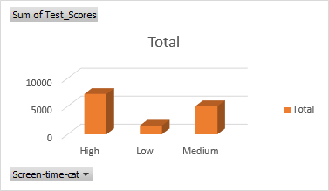
Row Labels | Sum of Test_Scores
High | 7191.6
Low | 1562.15
Medium | 5020.55
Grand Total | 13774.3

 | Row Labels | Average of Extra_Curricular_Hours
 | High | 1.636633663
 | Low | 1.473913043
 | Medium | 1.430263158
 | Grand Total | 1.5395
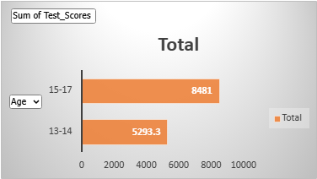

Row Labels | Sum of Test_Scores
13-14 | 5293.3
15-17 | 8481
Grand Total | 13774.3

